BF89-11K
Input
 | Name of Arrangement |  | The FTD® COD™ Bouquet |  | The FTD® COD™ Bouquet |  | The FTD® COD™ Bouquet |  | The FTD® COD™ Bouquet | From Andrea
 | Size of Arrangement |  | Standard |  | Deluxe |  | Premium |  | Exquisite | From Andrea
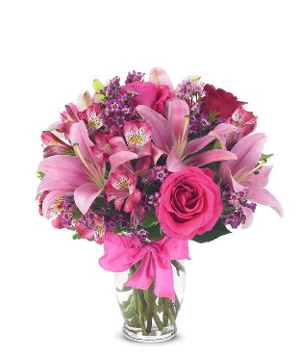
 | SRP |  | $66.00 |  | $86.00 |  | $111.00 |  | $136.00 | From Andrea
 | Total SRP of Bundle |  | $66.00 |  | $86.00 |  | $111.00 |  | $136.00

 | Member Profitability
 | SRP |  | $66.00 |  | $86.00 |  | $111.00 |  | $136.00
 | Less Commission (20%) |  | $(13.20) |  | $(17.20) |  | $(22.20) |  | $(27.20)
 | Less C/H Fee (9%) |  | $(5.94) |  | $(7.74) |  | $(9.99) |  | $(12.24)
 | Less UCP Fee |  | $(4.99) |  | $(4.99) |  | $(4.99) |  | $(4.99)
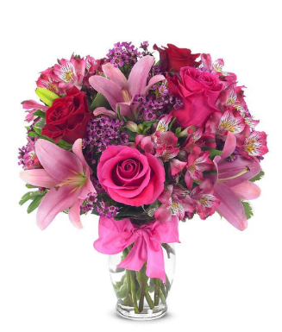
 | Less Transmission Fee |  | $(2.75) |  | $(2.75) |  | $(2.75) |  | $(2.75)
 | Less Delivery Fee |  | $(10.00) |  | $(10.00) |  | $(10.00) |  | $(10.00)
 | Less Labor (10%) |  | $(6.60) |  | $(8.60) |  | $(11.10) |  | $(13.60)
 | Less Other |  | $(3.00) |  | $(3.00) |  | $(3.00) |  | $(3.00)
 | Less Hardgood |  | $(2.91) |  | $(2.91) |  | $(2.91) |  | $(2.91)
 | Less Floral Cost |  | $(13.97) |  | $(14.93) |  | $(17.54) |  | $-
 | Total Gross Margin |  | $2.64 |  | $13.88 |  | $26.52 |  | $59.31
 | Gross Margin % |  | 4% |  | 16% |  | 24% |  | 44%
 |  |  | **GM should not be below 20%
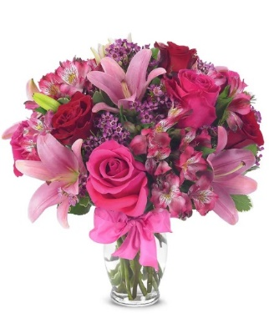
Color | Floral Costs | Qty |  | Qty |  | Qty |  | Qty
Pink | Asiatic Lily stems | 3 | $4.41 | 3 | $4.41 | 3 | $4.41 |  | $- | From Andrea
Red | 50 cm Roses | 1 | $0.96 | 2 | $1.92 | 3 | $2.88 |  | $- | From Andrea
Pink | 50 cm Roses | 2 | $1.92 | 2 | $1.92 | 3 | $2.88 |  | $- | From Andrea
Pink | Alstroemeria stems | 4 | $2.48 | 4 | $2.48 | 4 | $2.48 |  | $- | From Andrea
Purple | Waxflower stems | 2 | $2.82 | 2 | $2.82 | 2 | $2.82 |  | $- | From Andrea
 | Variegated Pittosporum stems | 2 | $1.38 | 2 | $1.38 | 3 | $2.07 |  | $- | From Andrea
 |  |  | $- |  | $- |  | $- |  | $- | From Andrea
 |  |  | $- |  | $- |  | $- |  | $- | From Andrea
 |  |  | $- |  | $- |  | $- |  | $- | From Andrea
 |  |  | $- |  | $- |  | $- |  | $- | From Andrea
 |  |  | $- |  | $- |  | $- |  | $- | From Andrea
 |  |  | $- |  | $- |  | $- |  | $- | From Andrea
 |  |  | $13.97 |  | $14.93 |  | $17.54 |  | $-

 | Hardgood Costs | Qty |  | Qty |  | Qty |  | Qty
 | Clear Glass | 1 | $2.50 | 1 | $2.50 | 1 | $2.50 | 1 | $2.50 | From Andrea
 | Ribbon | 0 | $0.41 | 0 | $0.41 | 0 | $0.41 | 0 | $0.41 | From Andrea
 |  |  | $- |  | $- |  | $- |  | $- | From Andrea
 |  |  | $- |  | $- |  | $- |  | $- | From Andrea
 |  |  | $- |  | $- |  | $- |  | $- | From Andrea
 |  |  | $- |  | $- |  | $- |  | $- | From Andrea
 |  |  | $2.91 |  | $2.91 |  | $2.91 |  | $2.91

BF216-11KM
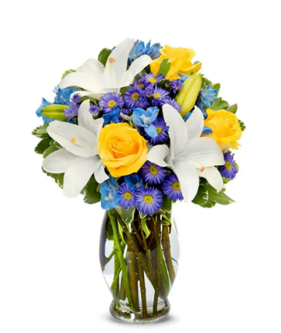
Input
 | Name of Arrangement |  | The FTD® COD™ Bouquet |  | The FTD® COD™ Bouquet |  | The FTD® COD™ Bouquet |  | The FTD® COD™ Bouquet | From Andrea
 | Size of Arrangement |  | Standard |  | Deluxe |  | Premium |  | Exquisite | From Andrea
 | SRP |  | $66.00 |  | $86.00 |  | $111.00 |  | $136.00 | From Andrea
 | Total SRP of Bundle |  | $66.00 |  | $86.00 |  | $111.00 |  | $136.00

 | Member Profitability
 | SRP |  | $66.00 |  | $86.00 |  | $111.00 |  | $136.00
 | Less Commission (20%) |  | $(13.20) |  | $(17.20) |  | $(22.20) |  | $(27.20)
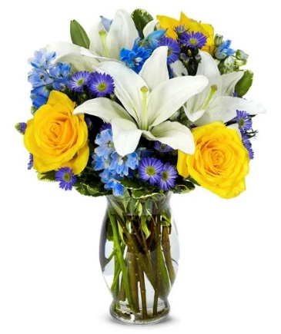
 | Less C/H Fee (9%) |  | $(5.94) |  | $(7.74) |  | $(9.99) |  | $(12.24)
 | Less UCP Fee |  | $(4.99) |  | $(4.99) |  | $(4.99) |  | $(4.99)
 | Less Transmission Fee |  | $(2.75) |  | $(2.75) |  | $(2.75) |  | $(2.75)
 | Less Delivery Fee |  | $(10.00) |  | $(10.00) |  | $(10.00) |  | $(10.00)
 | Less Labor (10%) |  | $(6.60) |  | $(8.60) |  | $(11.10) |  | $(13.60)
 | Less Other |  | $(3.00) |  | $(3.00) |  | $(3.00) |  | $(3.00)
 | Less Hardgood |  | $(2.50) |  | $(2.50) |  | $(2.50) |  | $(2.50)
 | Less Floral Cost |  | $(14.89) |  | $(16.24) |  | $(23.48) |  | $-
 | Total Gross Margin |  | $2.13 |  | $12.98 |  | $20.99 |  | $59.72
 | Gross Margin % |  | 3% |  | 15% |  | 19% |  | 44%
 |  |  | **GM should not be below 20%
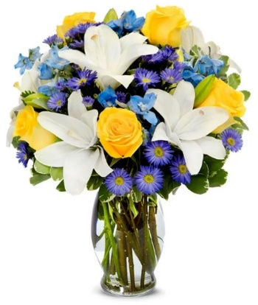
Color | Floral Costs | Qty |  | Qty |  | Qty |  | Qty
White | Asiatic Lily stems | 3 | $4.41 | 3 | $4.41 | 5 | $7.35 |  | $- | From Andrea
Yellow | 50 cm Roses | 3 | $2.88 | 3 | $2.88 | 5 | $4.80 |  | $- | From Andrea
Blue | Delphinium stems, Belladonna | 4 | $4.24 | 4 | $4.24 | 5 | $5.30 |  | $- | From Andrea
Purple | Monte Casino stems | 3 | $1.98 | 4 | $2.64 | 6 | $3.96 |  | $- | From Andrea
 | Variegated Pittosporum stems | 2 | $1.38 | 3 | $2.07 | 3 | $2.07 |  | $- | From Andrea
 |  |  | $- |  | $- |  | $- |  | $- | From Andrea
 |  |  | $- |  | $- |  | $- |  | $- | From Andrea
 |  |  | $- |  | $- |  | $- |  | $- | From Andrea
 |  |  | $- |  | $- |  | $- |  | $- | From Andrea
 |  |  | $- |  | $- |  | $- |  | $- | From Andrea
 |  |  | $- |  | $- |  | $- |  | $- | From Andrea
 |  |  | $- |  | $- |  | $- |  | $- | From Andrea
 |  |  | $14.89 |  | $16.24 |  | $23.48 |  | $-

 | Hardgood Costs | Qty |  | Qty |  | Qty |  | Qty
 | Clear Glass | 1 | $2.50 | 1 | $2.50 | 1 | $2.50 | 1 | $2.50 | From Andrea
 |  |  | $- |  | $- |  | $- |  | $- | From Andrea
 |  |  | $- |  | $- |  | $- |  | $- | From Andrea
 |  |  | $- |  | $- |  | $- |  | $- | From Andrea
 |  |  | $- |  | $- |  | $- |  | $- | From Andrea
 |  |  | $- |  | $- |  | $- |  | $- | From Andrea
 |  |  | $2.50 |  | $2.50 |  | $2.50 |  | $2.50

BF375-11KM
Input
 | Name of Arrangement |  | The FTD® COD™ Bouquet |  | The FTD® COD™ Bouquet |  | The FTD® COD™ Bouquet |  | The FTD® COD™ Bouquet | From Andrea
 | Size of Arrangement |  | Standard |  | Deluxe |  | Premium |  | Exquisite | From Andrea
 | SRP |  | $66.00 |  | $86.00 |  | $111.00 |  | $136.00 | From Andrea
 | Total SRP of Bundle |  | $66.00 |  | $86.00 |  | $111.00 |  | $136.00
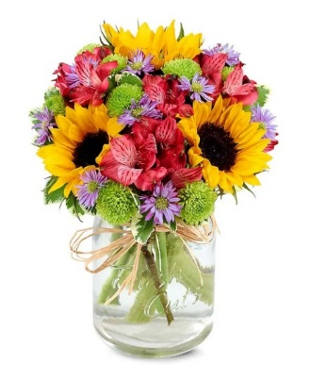

 | Member Profitability
 | SRP |  | $66.00 |  | $86.00 |  | $111.00 |  | $136.00
 | Less Commission (20%) |  | $(13.20) |  | $(17.20) |  | $(22.20) |  | $(27.20)
 | Less C/H Fee (9%) |  | $(5.94) |  | $(7.74) |  | $(9.99) |  | $(12.24)
 | Less UCP Fee |  | $(4.99) |  | $(4.99) |  | $(4.99) |  | $(4.99)
 | Less Transmission Fee |  | $(2.75) |  | $(2.75) |  | $(2.75) |  | $(2.75)
 | Less Delivery Fee |  | $(10.00) |  | $(10.00) |  | $(10.00) |  | $(10.00)
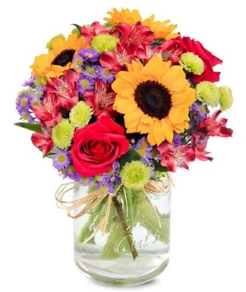
 | Less Labor (10%) |  | $(6.60) |  | $(8.60) |  | $(11.10) |  | $(13.60)
 | Less Other |  | $(3.00) |  | $(3.00) |  | $(3.00) |  | $(3.00)
 | Less Hardgood |  | $(2.75) |  | $(2.75) |  | $(2.75) |  | $(2.75)
 | Less Floral Cost |  | $(10.47) |  | $(13.70) |  | $(15.75) |  | $-
 | Total Gross Margin |  | $6.30 |  | $15.27 |  | $28.47 |  | $59.47
 | Gross Margin % |  | 10% |  | 18% |  | 26% |  | 44%
 |  |  | **GM should not be below 20%

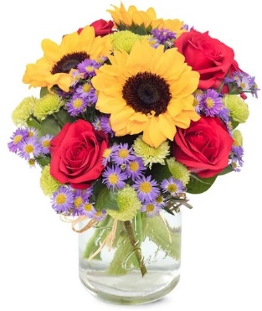
Color | Floral Costs | Qty |  | Qty |  | Qty |  | Qty
Red | 50 cm Roses | 0 | $- | 2 | $1.92 | 4 | $3.84 |  | $- | From Andrea
Yellow | Sunflowers | 3 | $3.36 | 3 | $3.36 | 3 | $3.36 |  | $- | From Andrea
Red | Alstroemeria stems | 3 | $1.86 | 4 | $2.48 | 0 | $- |  | $- | From Andrea
Purple | Monte Casino stems | 3 | $1.98 | 3 | $1.98 | 6 | $3.96 |  | $- | From Andrea
Green | Button Pompon stems | 3 | $1.89 | 3 | $1.89 | 4 | $2.52 |  | $- | From Andrea
 | Variegated Pittosporum stems | 2 | $1.38 | 3 | $2.07 | 3 | $2.07 |  | $- | From Andrea
 |  |  | $- |  | $- |  | $- |  | $- | From Andrea
 |  |  | $- |  | $- |  | $- |  | $- | From Andrea
 |  |  | $- |  | $- |  | $- |  | $- | From Andrea
 |  |  | $- |  | $- |  | $- |  | $- | From Andrea
 |  |  | $- |  | $- |  | $- |  | $- | From Andrea
 |  |  | $- |  | $- |  | $- |  | $- | From Andrea
 |  |  | $10.47 |  | $13.70 |  | $15.75 |  | $-

 | Hardgood Costs | Qty |  | Qty |  | Qty |  | Qty
 | Clear Glass | 1 | $2.50 | 1 | $2.50 | 1 | $2.50 | 1 | $2.50 | From Andrea
 | Raffia | 1 | $0.25 | 1 | $0.25 | 1 | $0.25 | 1 | $0.25 | From Andrea
 |  |  | $- |  | $- |  | $- |  | $- | From Andrea
 |  |  | $- |  | $- |  | $- |  | $- | From Andrea
 |  |  | $- |  | $- |  | $- |  | $- | From Andrea
 |  |  | $- |  | $- |  | $- |  | $- | From Andrea
 |  |  | $2.75 |  | $2.75 |  | $2.75 |  | $2.75

TEV55-6
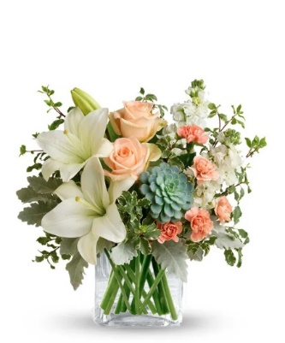
Input
 | Name of Arrangement |  | The FTD® COD™ Bouquet |  | The FTD® COD™ Bouquet |  | The FTD® COD™ Bouquet |  | The FTD® COD™ Bouquet | From Andrea
 | Size of Arrangement |  | Standard |  | Deluxe |  | Premium |  | Exquisite | From Andrea
 | SRP |  | $66.00 |  | $86.00 |  | $111.00 |  | $136.00 | From Andrea
 | Total SRP of Bundle |  | $66.00 |  | $86.00 |  | $111.00 |  | $136.00

 | Member Profitability
 | SRP |  | $66.00 |  | $86.00 |  | $111.00 |  | $136.00
 | Less Commission (20%) |  | $(13.20) |  | $(17.20) |  | $(22.20) |  | $(27.20)
 | Less C/H Fee (9%) |  | $(5.94) |  | $(7.74) |  | $(9.99) |  | $(12.24)
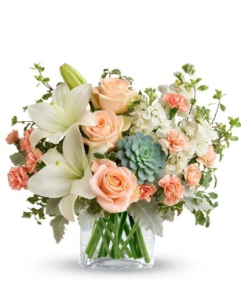
 | Less UCP Fee |  | $(4.99) |  | $(4.99) |  | $(4.99) |  | $(4.99)
 | Less Transmission Fee |  | $(2.75) |  | $(2.75) |  | $(2.75) |  | $(2.75)
 | Less Delivery Fee |  | $(10.00) |  | $(10.00) |  | $(10.00) |  | $(10.00)
 | Less Labor (10%) |  | $(6.60) |  | $(8.60) |  | $(11.10) |  | $(13.60)
 | Less Other |  | $(3.00) |  | $(3.00) |  | $(3.00) |  | $(3.00)
 | Less Hardgood |  | $(2.50) |  | $(2.50) |  | $(2.50) |  | $(2.50)
 | Less Floral Cost |  | $(15.50) |  | $(17.48) |  | $(21.63) |  | $-
 | Total Gross Margin |  | $1.52 |  | $11.74 |  | $22.84 |  | $59.72
 | Gross Margin % |  | 2% |  | 14% |  | 21% |  | 44%
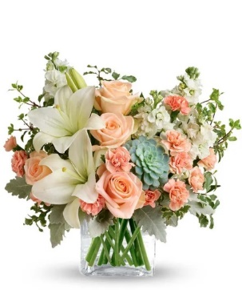
 |  |  | **GM should not be below 20%

Color | Floral Costs | Qty |  | Qty |  | Qty |  | Qty
Peach | 50 cm Roses | 2 | $1.92 | 3 | $2.88 | 4 | $3.84 |  | $- | From Andrea
White | Asiatic Lily stems | 2 | $2.94 | 2 | $2.94 | 2 | $2.94 |  | $- | From Andrea
White | Stock stems | 2 | $1.70 | 2 | $1.70 | 4 | $3.40 |  | $- | From Andrea
Peach | Mini Carnation stems | 2 | $1.02 | 4 | $2.04 | 5 | $2.55 |  | $- | From Andrea
 | Dusty Miller Stems | 2 | $1.96 | 2 | $1.96 | 3 | $2.94 |  | $- | From Andrea
 | Italian Variegated Pittosporum stems | 3 | $2.46 | 3 | $2.46 | 3 | $2.46 |  | $- | From Andrea
Green | Echevaria Succulent | 1 | $3.50 | 1 | $3.50 | 1 | $3.50 |  | $- | From Andrea
 |  |  | $- |  | $- |  | $- |  | $- | From Andrea
 |  |  | $- |  | $- |  | $- |  | $- | From Andrea
 |  |  | $- |  | $- |  | $- |  | $- | From Andrea
 |  |  | $- |  | $- |  | $- |  | $- | From Andrea
 |  |  | $- |  | $- |  | $- |  | $- | From Andrea
 |  |  | $15.50 |  | $17.48 |  | $21.63 |  | $-

 | Hardgood Costs | Qty |  | Qty |  | Qty |  | Qty
 | Clear Glass | 1 | $2.50 | 1 | $2.50 | 1 | $2.50 | 1 | $2.50 | From Andrea
 |  |  | $- |  | $- |  | $- |  | $- | From Andrea
 |  |  | $- |  | $- |  | $- |  | $- | From Andrea
 |  |  | $- |  | $- |  | $- |  | $- | From Andrea
 |  |  | $- |  | $- |  | $- |  | $- | From Andrea
 |  |  | $- |  | $- |  | $- |  | $- | From Andrea
 |  |  | $2.50 |  | $2.50 |  | $2.50 |  | $2.50

T46-1
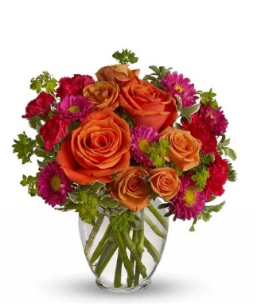
Input
 | Name of Arrangement |  | The FTD® COD™ Bouquet |  | The FTD® COD™ Bouquet |  | The FTD® COD™ Bouquet |  | The FTD® COD™ Bouquet | From Andrea
 | Size of Arrangement |  | Standard |  | Deluxe |  | Premium |  | Exquisite | From Andrea
 | SRP |  | $66.00 |  | $86.00 |  | $111.00 |  | $136.00 | From Andrea
 | Total SRP of Bundle |  | $66.00 |  | $86.00 |  | $111.00 |  | $136.00

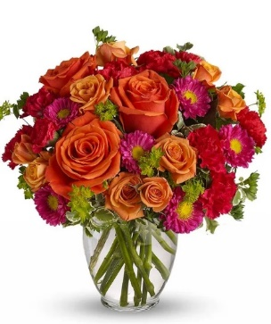
 | Member Profitability
 | SRP |  | $66.00 |  | $86.00 |  | $111.00 |  | $136.00
 | Less Commission (20%) |  | $(13.20) |  | $(17.20) |  | $(22.20) |  | $(27.20)
 | Less C/H Fee (9%) |  | $(5.94) |  | $(7.74) |  | $(9.99) |  | $(12.24)
 | Less UCP Fee |  | $(4.99) |  | $(4.99) |  | $(4.99) |  | $(4.99)
 | Less Transmission Fee |  | $(2.75) |  | $(2.75) |  | $(2.75) |  | $(2.75)
 | Less Delivery Fee |  | $(10.00) |  | $(10.00) |  | $(10.00) |  | $(10.00)
 | Less Labor (10%) |  | $(6.60) |  | $(8.60) |  | $(11.10) |  | $(13.60)
 | Less Other |  | $(3.00) |  | $(3.00) |  | $(3.00) |  | $(3.00)
 | Less Hardgood |  | $(2.50) |  | $(2.50) |  | $(2.50) |  | $(2.50)
 | Less Floral Cost |  | $(10.39) |  | $(15.30) |  | $(19.42) |  | $-
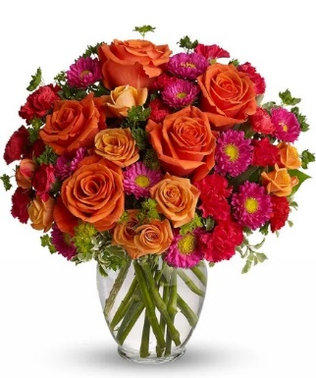
 | Total Gross Margin |  | $6.63 |  | $13.92 |  | $25.05 |  | $59.72
 | Gross Margin % |  | 10% |  | 16% |  | 23% |  | 44%
 |  |  | **GM should not be below 20%

Color | Floral Costs | Qty |  | Qty |  | Qty |  | Qty
Orange | 50 cm Roses | 2 | $1.92 | 3 | $2.88 | 5 | $4.80 |  | $- | From Andrea
Orange | Spray Rose stems | 2 | $1.80 | 4 | $3.60 | 5 | $4.50 |  | $- | From Andrea
Hot Pink | Mini Carnation stems | 2 | $1.02 | 3 | $1.53 | 4 | $2.04 |  | $- | From Andrea
Hot Pink | Matsumoto Aster stems | 3 | $2.37 | 3 | $2.37 | 4 | $3.16 |  | $- | From Andrea
 | Italian Variegated Pittosporum stems | 2 | $1.64 | 3 | $2.46 | 3 | $2.46 |  | $- | From Andrea
 | Bupleurum Stems | 2 | $1.64 | 3 | $2.46 | 3 | $2.46 |  | $- | From Andrea
 |  |  | $- |  | $- |  | $- |  | $- | From Andrea
 |  |  | $- |  | $- |  | $- |  | $- | From Andrea
 |  |  | $- |  | $- |  | $- |  | $- | From Andrea
 |  |  | $- |  | $- |  | $- |  | $- | From Andrea
 |  |  | $- |  | $- |  | $- |  | $- | From Andrea
 |  |  | $- |  | $- |  | $- |  | $- | From Andrea
 |  |  | $10.39 |  | $15.30 |  | $19.42 |  | $-

 | Hardgood Costs | Qty |  | Qty |  | Qty |  | Qty
 | Clear Glass | 1 | $2.50 | 1 | $2.50 | 1 | $2.50 | 1 | $2.50 | From Andrea
 |  |  | $- |  | $- |  | $- |  | $- | From Andrea
 |  |  | $- |  | $- |  | $- |  | $- | From Andrea
 |  |  | $- |  | $- |  | $- |  | $- | From Andrea
 |  |  | $- |  | $- |  | $- |  | $- | From Andrea
 |  |  | $- |  | $- |  | $- |  | $- | From Andrea
 |  |  | $2.50 |  | $2.50 |  | $2.50 |  | $2.50

TEV25-3
Input
 | Name of Arrangement |  | The FTD® COD™ Bouquet |  | The FTD® COD™ Bouquet |  | The FTD® COD™ Bouquet |  | The FTD® COD™ Bouquet | From Andrea
 | Size of Arrangement |  | Standard |  | Deluxe |  | Premium |  | Exquisite | From Andrea
 | SRP |  | $66.00 |  | $86.00 |  | $111.00 |  | $136.00 | From Andrea
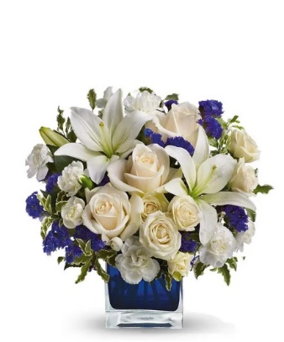
 | Total SRP of Bundle |  | $66.00 |  | $86.00 |  | $111.00 |  | $136.00

 | Member Profitability
 | SRP |  | $66.00 |  | $86.00 |  | $111.00 |  | $136.00
 | Less Commission (20%) |  | $(13.20) |  | $(17.20) |  | $(22.20) |  | $(27.20)
 | Less C/H Fee (9%) |  | $(5.94) |  | $(7.74) |  | $(9.99) |  | $(12.24)
 | Less UCP Fee |  | $(4.99) |  | $(4.99) |  | $(4.99) |  | $(4.99)
 | Less Transmission Fee |  | $(2.75) |  | $(2.75) |  | $(2.75) |  | $(2.75)
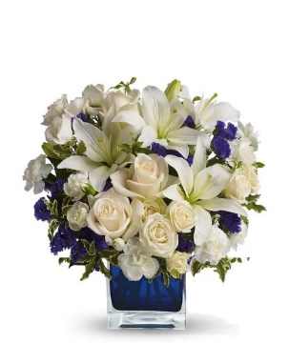
 | Less Delivery Fee |  | $(10.00) |  | $(10.00) |  | $(10.00) |  | $(10.00)
 | Less Labor (10%) |  | $(6.60) |  | $(8.60) |  | $(11.10) |  | $(13.60)
 | Less Other |  | $(3.00) |  | $(3.00) |  | $(3.00) |  | $(3.00)
 | Less Hardgood |  | $(2.50) |  | $(2.50) |  | $(2.50) |  | $(2.50)
 | Less Floral Cost |  | $(13.38) |  | $(17.08) |  | $(20.80) |  | $-
 | Total Gross Margin |  | $3.64 |  | $12.14 |  | $23.67 |  | $59.72
 | Gross Margin % |  | 6% |  | 14% |  | 21% |  | 44%
 |  |  | **GM should not be below 20%

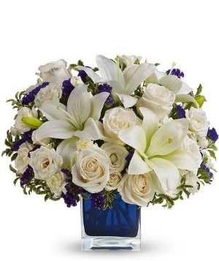
Color | Floral Costs | Qty |  | Qty |  | Qty |  | Qty
Ivory | 50 cm Roses | 3 | $2.88 | 3 | $2.88 | 5 | $4.80 |  | $- | From Andrea
White | Asiatic Lily stems | 2 | $2.94 | 3 | $4.41 | 3 | $4.41 |  | $- | From Andrea
White | Spray Rose stems | 2 | $1.80 | 3 | $2.70 | 5 | $4.50 |  | $- | From Andrea
White | Mini Carnation stems | 3 | $1.53 | 4 | $2.04 | 4 | $2.04 |  | $- | From Andrea
 | Statice stems | 3 | $1.77 | 3 | $1.77 | 3 | $1.77 |  | $- | From Andrea
 | Italian Variegated Pittosporum stems | 3 | $2.46 | 4 | $3.28 | 4 | $3.28 |  | $- | From Andrea
 |  |  | $- |  | $- |  | $- |  | $- | From Andrea
 |  |  | $- |  | $- |  | $- |  | $- | From Andrea
 |  |  | $- |  | $- |  | $- |  | $- | From Andrea
 |  |  | $- |  | $- |  | $- |  | $- | From Andrea
 |  |  | $- |  | $- |  | $- |  | $- | From Andrea
 |  |  | $- |  | $- |  | $- |  | $- | From Andrea
 |  |  | $13.38 |  | $17.08 |  | $20.80 |  | $-

 | Hardgood Costs | Qty |  | Qty |  | Qty |  | Qty
 | Clear Glass | 1 | $2.50 | 1 | $2.50 | 1 | $2.50 | 1 | $2.50 | From Andrea
 |  |  | $- |  | $- |  | $- |  | $- | From Andrea
 |  |  | $- |  | $- |  | $- |  | $- | From Andrea
 |  |  | $- |  | $- |  | $- |  | $- | From Andrea
 |  |  | $- |  | $- |  | $- |  | $- | From Andrea
 |  |  | $- |  | $- |  | $- |  | $- | From Andrea
 |  |  | $2.50 |  | $2.50 |  | $2.50 |  | $2.50

BF116-11KM
Input
 | Name of Arrangement |  | The FTD® COD™ Bouquet |  | The FTD® COD™ Bouquet |  | The FTD® COD™ Bouquet |  | The FTD® COD™ Bouquet | From Andrea
 | Size of Arrangement |  | Standard |  | Deluxe |  | Premium |  | Exquisite | From Andrea
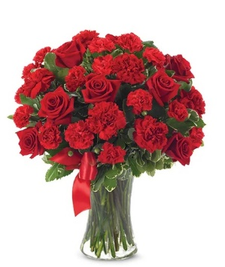
 | SRP |  | $66.00 |  | $86.00 |  | $111.00 |  | $136.00 | From Andrea
 | Total SRP of Bundle |  | $66.00 |  | $86.00 |  | $111.00 |  | $136.00

 | Member Profitability
 | SRP |  | $66.00 |  | $86.00 |  | $111.00 |  | $136.00
 | Less Commission (20%) |  | $(13.20) |  | $(17.20) |  | $(22.20) |  | $(27.20)
 | Less C/H Fee (9%) |  | $(5.94) |  | $(7.74) |  | $(9.99) |  | $(12.24)
 | Less UCP Fee |  | $(4.99) |  | $(4.99) |  | $(4.99) |  | $(4.99)
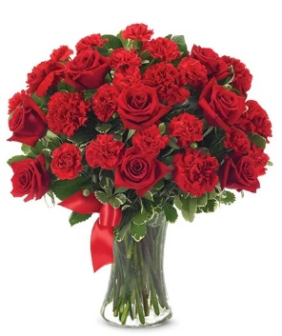
 | Less Transmission Fee |  | $(2.75) |  | $(2.75) |  | $(2.75) |  | $(2.75)
 | Less Delivery Fee |  | $(10.00) |  | $(10.00) |  | $(10.00) |  | $(10.00)
 | Less Labor (10%) |  | $(6.60) |  | $(8.60) |  | $(11.10) |  | $(13.60)
 | Less Other |  | $(3.00) |  | $(3.00) |  | $(3.00) |  | $(3.00)
 | Less Hardgood |  | $(2.91) |  | $(2.91) |  | $(2.91) |  | $(2.91)
 | Less Floral Cost |  | $(15.72) |  | $(16.68) |  | $(19.29) |  | $-
 | Total Gross Margin |  | $0.89 |  | $12.13 |  | $24.77 |  | $59.31
 | Gross Margin % |  | 1% |  | 14% |  | 22% |  | 44%
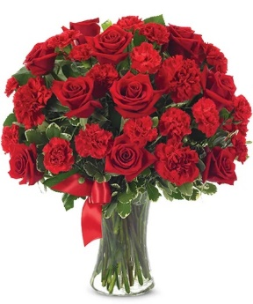
 |  |  | **GM should not be below 20%

Color | Floral Costs | Qty |  | Qty |  | Qty |  | Qty
Red | 50 cm Roses | 7 | $6.72 | 8 | $7.68 | 10 | $9.60 |  | $- | From Andrea
Red | Standard Carnations | 6 | $3.18 | 6 | $3.18 | 6 | $3.18 |  | $- | From Andrea
Red | Mini Carnation stems | 6 | $3.06 | 6 | $3.06 | 6 | $3.06 |  | $- | From Andrea
 | Variegated Pittosporum stems | 4 | $2.76 | 4 | $2.76 | 5 | $3.45 |  | $- | From Andrea
 |  |  | $- |  | $- |  | $- |  | $- | From Andrea
 |  |  | $- |  | $- |  | $- |  | $- | From Andrea
 |  |  | $- |  | $- |  | $- |  | $- | From Andrea
 |  |  | $- |  | $- |  | $- |  | $- | From Andrea
 |  |  | $- |  | $- |  | $- |  | $- | From Andrea
 |  |  | $- |  | $- |  | $- |  | $- | From Andrea
 |  |  | $- |  | $- |  | $- |  | $- | From Andrea
 |  |  | $- |  | $- |  | $- |  | $- | From Andrea
 |  |  | $15.72 |  | $16.68 |  | $19.29 |  | $-

 | Hardgood Costs | Qty |  | Qty |  | Qty |  | Qty
 | Clear Glass | 1 | $2.50 | 1 | $2.50 | 1 | $2.50 | 1 | $2.50 | From Andrea
 | Ribbon | 0 | $0.41 | 0 | $0.41 | 0 | $0.41 | 0 | $0.41 | From Andrea
 |  |  | $- |  | $- |  | $- |  | $- | From Andrea
 |  |  | $- |  | $- |  | $- |  | $- | From Andrea
 |  |  | $- |  | $- |  | $- |  | $- | From Andrea
 |  |  | $- |  | $- |  | $- |  | $- | From Andrea
 |  |  | $2.91 |  | $2.91 |  | $2.91 |  | $2.91

BF761-11KM
Input
 | Name of Arrangement |  | The FTD® COD™ Bouquet |  | The FTD® COD™ Bouquet |  | The FTD® COD™ Bouquet |  | The FTD® COD™ Bouquet | From Andrea
 | Size of Arrangement |  | Standard |  | Deluxe |  | Premium |  | Exquisite | From Andrea
 | SRP |  | $66.00 |  | $86.00 |  | $111.00 |  | $136.00 | From Andrea
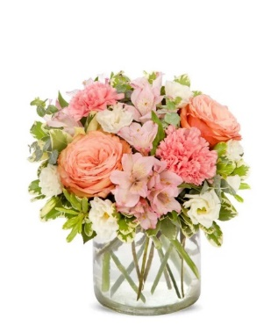
 | Total SRP of Bundle |  | $66.00 |  | $86.00 |  | $111.00 |  | $136.00

 | Member Profitability
 | SRP |  | $66.00 |  | $86.00 |  | $111.00 |  | $136.00
 | Less Commission (20%) |  | $(13.20) |  | $(17.20) |  | $(22.20) |  | $(27.20)
 | Less C/H Fee (9%) |  | $(5.94) |  | $(7.74) |  | $(9.99) |  | $(12.24)
 | Less UCP Fee |  | $(4.99) |  | $(4.99) |  | $(4.99) |  | $(4.99)
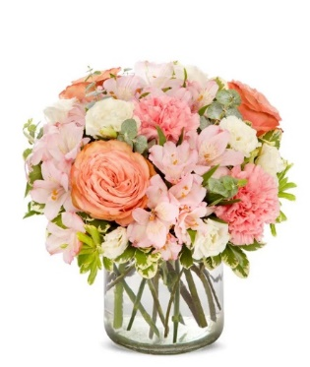
 | Less Transmission Fee |  | $(2.75) |  | $(2.75) |  | $(2.75) |  | $(2.75)
 | Less Delivery Fee |  | $(10.00) |  | $(10.00) |  | $(10.00) |  | $(10.00)
 | Less Labor (10%) |  | $(6.60) |  | $(8.60) |  | $(11.10) |  | $(13.60)
 | Less Other |  | $(3.00) |  | $(3.00) |  | $(3.00) |  | $(3.00)
 | Less Hardgood |  | $(2.50) |  | $(2.50) |  | $(2.50) |  | $(2.50)
 | Less Floral Cost |  | $(11.45) |  | $(13.40) |  | $(17.12) |  | $-
 | Total Gross Margin |  | $5.57 |  | $15.82 |  | $27.35 |  | $59.72
 | Gross Margin % |  | 8% |  | 18% |  | 25% |  | 44%
 |  |  | **GM should not be below 20%

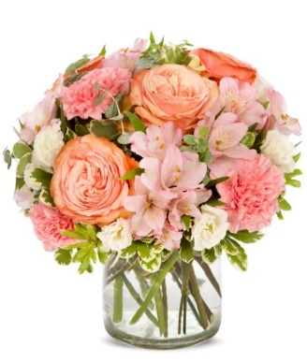
Color | Floral Costs | Qty |  | Qty |  | Qty |  | Qty
Peach | 50 cm Roses | 2 | $1.92 | 3 | $2.88 | 4 | $3.84 |  | $- | From Andrea
Pink | Standard Carnations | 2 | $1.06 | 2 | $1.06 | 3 | $1.59 |  | $- | From Andrea
Pink | Alstroemeria stems | 3 | $1.86 | 3 | $1.86 | 5 | $3.10 |  | $- | From Andrea
White | Double Lisianthus stems | 2 | $2.56 | 2 | $2.56 | 2 | $2.56 |  | $- | From Andrea
 | Baby Blue Eucalyptus stems | 2 | $1.98 | 3 | $2.97 | 4 | $3.96 |  | $- | From Andrea
 | Variegated Pittosporum stems | 3 | $2.07 | 3 | $2.07 | 3 | $2.07 |  | $- | From Andrea
 |  |  | $- |  | $- |  | $- |  | $- | From Andrea
 |  |  | $- |  | $- |  | $- |  | $- | From Andrea
 |  |  | $- |  | $- |  | $- |  | $- | From Andrea
 |  |  | $- |  | $- |  | $- |  | $- | From Andrea
 |  |  | $- |  | $- |  | $- |  | $- | From Andrea
 |  |  | $- |  | $- |  | $- |  | $- | From Andrea
 |  |  | $11.45 |  | $13.40 |  | $17.12 |  | $-

 | Hardgood Costs | Qty |  | Qty |  | Qty |  | Qty
 | Clear Glass | 1 | $2.50 | 1 | $2.50 | 1 | $2.50 | 1 | $2.50 | From Andrea
 |  | 1 | $- | 1 | $- | 1 | $- | 1 | $- | From Andrea
 |  |  | $- |  | $- |  | $- |  | $- | From Andrea
 |  |  | $- |  | $- |  | $- |  | $- | From Andrea
 |  |  | $- |  | $- |  | $- |  | $- | From Andrea
 |  |  | $- |  | $- |  | $- |  | $- | From Andrea
 |  |  | $2.50 |  | $2.50 |  | $2.50 |  | $2.50

T37-1
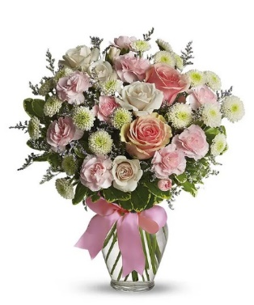
Input
 | Name of Arrangement |  | The FTD® COD™ Bouquet |  | The FTD® COD™ Bouquet |  | The FTD® COD™ Bouquet |  | The FTD® COD™ Bouquet | From Andrea
 | Size of Arrangement |  | Standard |  | Deluxe |  | Premium |  | Exquisite | From Andrea
 | SRP |  | $66.00 |  | $86.00 |  | $111.00 |  | $136.00 | From Andrea
 | Total SRP of Bundle |  | $66.00 |  | $86.00 |  | $111.00 |  | $136.00

 | Member Profitability
 | SRP |  | $66.00 |  | $86.00 |  | $111.00 |  | $136.00
 | Less Commission (20%) |  | $(13.20) |  | $(17.20) |  | $(22.20) |  | $(27.20)
 | Less C/H Fee (9%) |  | $(5.94) |  | $(7.74) |  | $(9.99) |  | $(12.24)
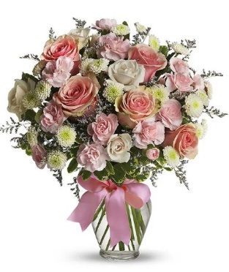
 | Less UCP Fee |  | $(4.99) |  | $(4.99) |  | $(4.99) |  | $(4.99)
 | Less Transmission Fee |  | $(2.75) |  | $(2.75) |  | $(2.75) |  | $(2.75)
 | Less Delivery Fee |  | $(10.00) |  | $(10.00) |  | $(10.00) |  | $(10.00)
 | Less Labor (10%) |  | $(6.60) |  | $(8.60) |  | $(11.10) |  | $(13.60)
 | Less Other |  | $(3.00) |  | $(3.00) |  | $(3.00) |  | $(3.00)
 | Less Hardgood |  | $(2.91) |  | $(2.91) |  | $(2.91) |  | $(2.91)
 | Less Floral Cost |  | $(11.91) |  | $(16.14) |  | $(19.53) |  | $-
 | Total Gross Margin |  | $4.70 |  | $12.67 |  | $24.53 |  | $59.31
 | Gross Margin % |  | 7% |  | 15% |  | 22% |  | 44%
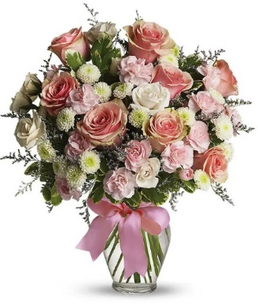
 |  |  | **GM should not be below 20%

Color | Floral Costs | Qty |  | Qty |  | Qty |  | Qty
Pink | 50 cm Roses | 2 | $1.92 | 5 | $4.80 | 8 | $7.68 |  | $- | From Andrea
White | Spray Rose stems | 3 | $2.70 | 3 | $2.70 | 3 | $2.70 |  | $- | From Andrea
Pink | Mini Carnation stems | 2 | $1.02 | 3 | $1.53 | 4 | $2.04 |  | $- | From Andrea
White | Button Pompon stems | 4 | $2.52 | 4 | $2.52 | 4 | $2.52 |  | $- | From Andrea
 | Limonium Misty Blue | 2 | $1.68 | 3 | $2.52 | 3 | $2.52 |  | $- | From Andrea
 | Variegated Pittosporum stems | 3 | $2.07 | 3 | $2.07 | 3 | $2.07 |  | $- | From Andrea
 |  |  | $- |  | $- |  | $- |  | $- | From Andrea
 |  |  | $- |  | $- |  | $- |  | $- | From Andrea
 |  |  | $- |  | $- |  | $- |  | $- | From Andrea
 |  |  | $- |  | $- |  | $- |  | $- | From Andrea
 |  |  | $- |  | $- |  | $- |  | $- | From Andrea
 |  |  | $- |  | $- |  | $- |  | $- | From Andrea
 |  |  | $11.91 |  | $16.14 |  | $19.53 |  | $-

 | Hardgood Costs | Qty |  | Qty |  | Qty |  | Qty
 | Clear Glass | 1 | $2.50 | 1 | $2.50 | 1 | $2.50 | 1 | $2.50 | From Andrea
 | Ribbon | 0 | $0.41 | 0 | $0.41 | 0 | $0.41 | 0 | $0.41 | From Andrea
 |  |  | $- |  | $- |  | $- |  | $- | From Andrea
 |  |  | $- |  | $- |  | $- |  | $- | From Andrea
 |  |  | $- |  | $- |  | $- |  | $- | From Andrea
 |  |  | $- |  | $- |  | $- |  | $- | From Andrea
 |  |  | $2.91 |  | $2.91 |  | $2.91 |  | $2.91

T43-1
Input
 | Name of Arrangement |  | The FTD® COD™ Bouquet |  | The FTD® COD™ Bouquet |  | The FTD® COD™ Bouquet |  | The FTD® COD™ Bouquet | From Andrea
 | Size of Arrangement |  | Standard |  | Deluxe |  | Premium |  | Exquisite | From Andrea
 | SRP |  | $66.00 |  | $86.00 |  | $111.00 |  | $136.00 | From Andrea

 | Total SRP of Bundle |  | $66.00 |  | $86.00 |  | $111.00 |  | $136.00

 | Member Profitability
 | SRP |  | $66.00 |  | $86.00 |  | $111.00 |  | $136.00
 | Less Commission (20%) |  | $(13.20) |  | $(17.20) |  | $(22.20) |  | $(27.20)
 | Less C/H Fee (9%) |  | $(5.94) |  | $(7.74) |  | $(9.99) |  | $(12.24)
 | Less UCP Fee |  | $(4.99) |  | $(4.99) |  | $(4.99) |  | $(4.99)
 | Less Transmission Fee |  | $(2.75) |  | $(2.75) |  | $(2.75) |  | $(2.75)

 | Less Delivery Fee |  | $(10.00) |  | $(10.00) |  | $(10.00) |  | $(10.00)
 | Less Labor (10%) |  | $(6.60) |  | $(8.60) |  | $(11.10) |  | $(13.60)
 | Less Other |  | $(3.00) |  | $(3.00) |  | $(3.00) |  | $(3.00)
 | Less Hardgood |  | $(7.16) |  | $(7.16) |  | $(7.16) |  | $(7.16)
 | Less Floral Cost |  | $(4.44) |  | $(7.62) |  | $(10.50) |  | $-
 | Total Gross Margin |  | $7.92 |  | $16.94 |  | $29.31 |  | $55.06
 | Gross Margin % |  | 12% |  | 20% |  | 26% |  | 40%
 |  |  | **GM should not be below 20%


Color | Floral Costs | Qty |  | Qty |  | Qty |  | Qty
Yellow | 50 cm Roses | 2 | $1.92 | 4 | $3.84 | 7 | $6.72 |  | $- | From Andrea
Yellow | Daisy Pompon stems | 2 | $1.26 | 3 | $1.89 | 3 | $1.89 |  | $- | From Andrea
White | Daisy Pompon stems | 2 | $1.26 | 3 | $1.89 | 3 | $1.89 |  | $- | From Andrea
 | Boxwood | 2 | $- | 2 | $- | 2 | $- |  | $- | From Andrea
 |  |  | $- |  | $- |  | $- |  | $- | From Andrea
 |  |  | $- |  | $- |  | $- |  | $- | From Andrea
 |  |  | $- |  | $- |  | $- |  | $- | From Andrea
 |  |  | $- |  | $- |  | $- |  | $- | From Andrea
 |  |  | $- |  | $- |  | $- |  | $- | From Andrea
 |  |  | $- |  | $- |  | $- |  | $- | From Andrea
 |  |  | $- |  | $- |  | $- |  | $- | From Andrea
 |  |  | $- |  | $- |  | $- |  | $- | From Andrea
 |  |  | $4.44 |  | $7.62 |  | $10.50 |  | $-

 | Hardgood Costs | Qty |  | Qty |  | Qty |  | Qty
 | Smiley Mug | 1 | $7.16 | 1 | $7.16 | 1 | $7.16 | 1 | $7.16 | From Andrea
 |  |  | $- |  | $- |  | $- |  | $- | From Andrea
 |  |  | $- |  | $- |  | $- |  | $- | From Andrea
 |  |  | $- |  | $- |  | $- |  | $- | From Andrea
 |  |  | $- |  | $- |  | $- |  | $- | From Andrea
 |  |  | $- |  | $- |  | $- |  | $- | From Andrea
 |  |  | $7.16 |  | $7.16 |  | $7.16 |  | $7.16

T55-2
Input
 | Name of Arrangement |  | The FTD® COD™ Bouquet |  | The FTD® COD™ Bouquet |  | The FTD® COD™ Bouquet |  | The FTD® COD™ Bouquet | From Andrea
 | Size of Arrangement |  | Standard |  | Deluxe |  | Premium |  | Exquisite | From Andrea
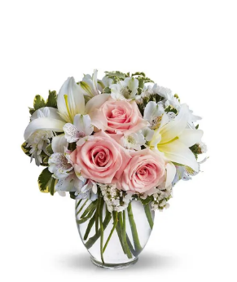
 | SRP |  | $66.00 |  | $86.00 |  | $111.00 |  | $136.00 | From Andrea
 | Total SRP of Bundle |  | $66.00 |  | $86.00 |  | $111.00 |  | $136.00

 | Member Profitability
 | SRP |  | $66.00 |  | $86.00 |  | $111.00 |  | $136.00
 | Less Commission (20%) |  | $(13.20) |  | $(17.20) |  | $(22.20) |  | $(27.20)
 | Less C/H Fee (9%) |  | $(5.94) |  | $(7.74) |  | $(9.99) |  | $(12.24)
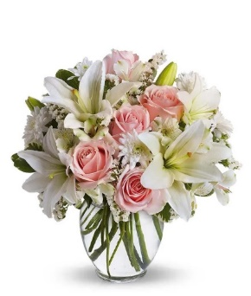
 | Less UCP Fee |  | $(4.99) |  | $(4.99) |  | $(4.99) |  | $(4.99)
 | Less Transmission Fee |  | $(2.75) |  | $(2.75) |  | $(2.75) |  | $(2.75)
 | Less Delivery Fee |  | $(10.00) |  | $(10.00) |  | $(10.00) |  | $(10.00)
 | Less Labor (10%) |  | $(6.60) |  | $(8.60) |  | $(11.10) |  | $(13.60)
 | Less Other |  | $(3.00) |  | $(3.00) |  | $(3.00) |  | $(3.00)
 | Less Hardgood |  | $(2.50) |  | $(2.50) |  | $(2.50) |  | $(2.50)
 | Less Floral Cost |  | $(12.09) |  | $(16.11) |  | $(21.26) |  | $-
 | Total Gross Margin |  | $4.93 |  | $13.11 |  | $23.21 |  | $59.72
 | Gross Margin % |  | 7% |  | 15% |  | 21% |  | 44%
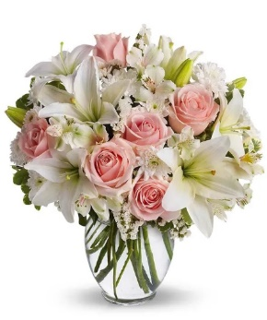
 |  |  | **GM should not be below 20%

Color | Floral Costs | Qty |  | Qty |  | Qty |  | Qty
Pink | 50 cm Roses | 3 | $2.88 | 5 | $4.80 | 6 | $5.76 |  | $- | From Andrea
White | Asiatic Lily stems | 2 | $2.94 | 3 | $4.41 | 5 | $7.35 |  | $- | From Andrea
White | Alstroemeria stems | 3 | $1.86 | 3 | $1.86 | 4 | $2.48 |  | $- | From Andrea
White | Cushion Pompon stems | 2 | $1.26 | 3 | $1.89 | 4 | $2.52 |  | $- | From Andrea
White | Statice stems | 3 | $1.77 | 3 | $1.77 | 3 | $1.77 |  | $- | From Andrea
 | Variegated Pittosporum stems | 2 | $1.38 | 2 | $1.38 | 2 | $1.38 |  | $- | From Andrea
 |  |  | $- |  | $- |  | $- |  | $- | From Andrea
 |  |  | $- |  | $- |  | $- |  | $- | From Andrea
 |  |  | $- |  | $- |  | $- |  | $- | From Andrea
 |  |  | $- |  | $- |  | $- |  | $- | From Andrea
 |  |  | $- |  | $- |  | $- |  | $- | From Andrea
 |  |  | $- |  | $- |  | $- |  | $- | From Andrea
 |  |  | $12.09 |  | $16.11 |  | $21.26 |  | $-

 | Hardgood Costs | Qty |  | Qty |  | Qty |  | Qty
 | Clear Glass | 1 | $2.50 | 1 | $2.50 | 1 | $2.50 | 1 | $2.50 | From Andrea
 |  |  | $- |  | $- |  | $- |  | $- | From Andrea
 |  |  | $- |  | $- |  | $- |  | $- | From Andrea
 |  |  | $- |  | $- |  | $- |  | $- | From Andrea
 |  |  | $- |  | $- |  | $- |  | $- | From Andrea
 |  |  | $- |  | $- |  | $- |  | $- | From Andrea
 |  |  | $2.50 |  | $2.50 |  | $2.50 |  | $2.50

BF335-11KM-2
Input
 | Name of Arrangement |  | The FTD® COD™ Bouquet |  | The FTD® COD™ Bouquet |  | The FTD® COD™ Bouquet |  | The FTD® COD™ Bouquet | From Andrea
 | Size of Arrangement |  | Standard |  | Deluxe |  | Premium |  | Exquisite | From Andrea
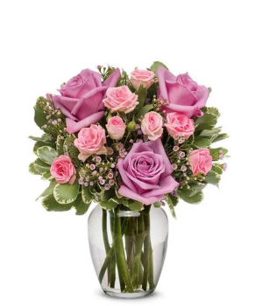
 | SRP |  | $66.00 |  | $86.00 |  | $111.00 |  | $136.00 | From Andrea
 | Total SRP of Bundle |  | $66.00 |  | $86.00 |  | $111.00 |  | $136.00

 | Member Profitability
 | SRP |  | $66.00 |  | $86.00 |  | $111.00 |  | $136.00
 | Less Commission (20%) |  | $(13.20) |  | $(17.20) |  | $(22.20) |  | $(27.20)
 | Less C/H Fee (9%) |  | $(5.94) |  | $(7.74) |  | $(9.99) |  | $(12.24)
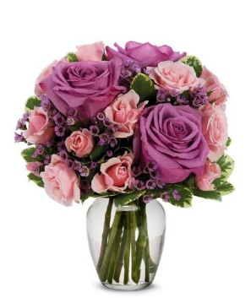
 | Less UCP Fee |  | $(4.99) |  | $(4.99) |  | $(4.99) |  | $(4.99)
 | Less Transmission Fee |  | $(2.75) |  | $(2.75) |  | $(2.75) |  | $(2.75)
 | Less Delivery Fee |  | $(10.00) |  | $(10.00) |  | $(10.00) |  | $(10.00)
 | Less Labor (10%) |  | $(6.60) |  | $(8.60) |  | $(11.10) |  | $(13.60)
 | Less Other |  | $(3.00) |  | $(3.00) |  | $(3.00) |  | $(3.00)
 | Less Hardgood |  | $(2.50) |  | $(2.50) |  | $(2.50) |  | $(2.50)
 | Less Floral Cost |  | $(10.47) |  | $(13.47) |  | $(20.31) |  | $-
 | Total Gross Margin |  | $6.55 |  | $15.75 |  | $24.16 |  | $59.72
 | Gross Margin % |  | 10% |  | 18% |  | 22% |  | 44%
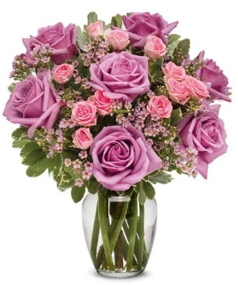
 |  |  | **GM should not be below 20%

Color | Floral Costs | Qty |  | Qty |  | Qty |  | Qty
Lavender | 50 cm Roses | 3 | $2.88 | 3 | $2.88 | 7 | $6.72 |  | $- | From Andrea
Pink | Spray Rose stems | 3 | $2.70 | 4 | $3.60 | 5 | $4.50 |  | $- | From Andrea
Pink | Waxflower stems | 2 | $2.82 | 3 | $4.23 | 4 | $5.64 |  | $- | From Andrea
 | Variegated Pittosporum stems | 3 | $2.07 | 4 | $2.76 | 5 | $3.45 |  | $- | From Andrea
 |  |  | $- |  | $- |  | $- |  | $- | From Andrea
 |  |  | $- |  | $- |  | $- |  | $- | From Andrea
 |  |  | $- |  | $- |  | $- |  | $- | From Andrea
 |  |  | $- |  | $- |  | $- |  | $- | From Andrea
 |  |  | $- |  | $- |  | $- |  | $- | From Andrea
 |  |  | $- |  | $- |  | $- |  | $- | From Andrea
 |  |  | $- |  | $- |  | $- |  | $- | From Andrea
 |  |  | $- |  | $- |  | $- |  | $- | From Andrea
 |  |  | $10.47 |  | $13.47 |  | $20.31 |  | $-

 | Hardgood Costs | Qty |  | Qty |  | Qty |  | Qty
 | Clear Glass | 1 | $2.50 | 1 | $2.50 | 1 | $2.50 | 1 | $2.50 | From Andrea
 |  |  | $- |  | $- |  | $- |  | $- | From Andrea
 |  |  | $- |  | $- |  | $- |  | $- | From Andrea
 |  |  | $- |  | $- |  | $- |  | $- | From Andrea
 |  |  | $- |  | $- |  | $- |  | $- | From Andrea
 |  |  | $- |  | $- |  | $- |  | $- | From Andrea
 |  |  | $2.50 |  | $2.50 |  | $2.50 |  | $2.50

